Readme
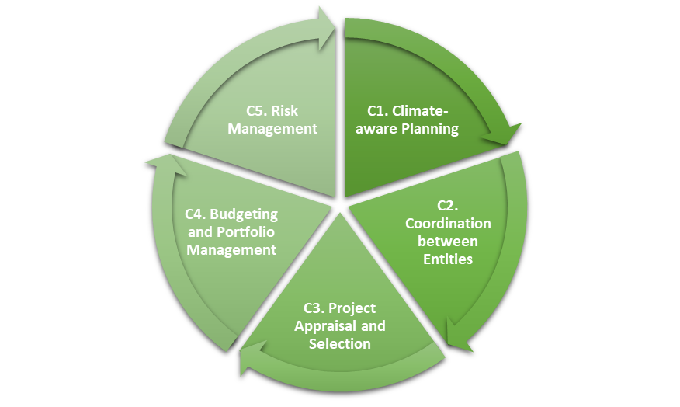
Guidance to fill in the questionnaire
-Based on the rankings on the sheet “Questionnaire”, please provide the answers on the sheet “Assessment&Scores” that best reflect the institutional strength of the country
-The score should be either 1, 2, 3 or N/A (not applicable). If any question is not entirely relevant for your country, please state N/A and provide explanation in the justification.
-The brief explanation for the score should have a description of the current situation
- The reference documentation should provide documentation/references for the given assessment in each dimension
- The name of agency should provide the name and contact information of the agency that provides the assessment for each dimension

PIMA

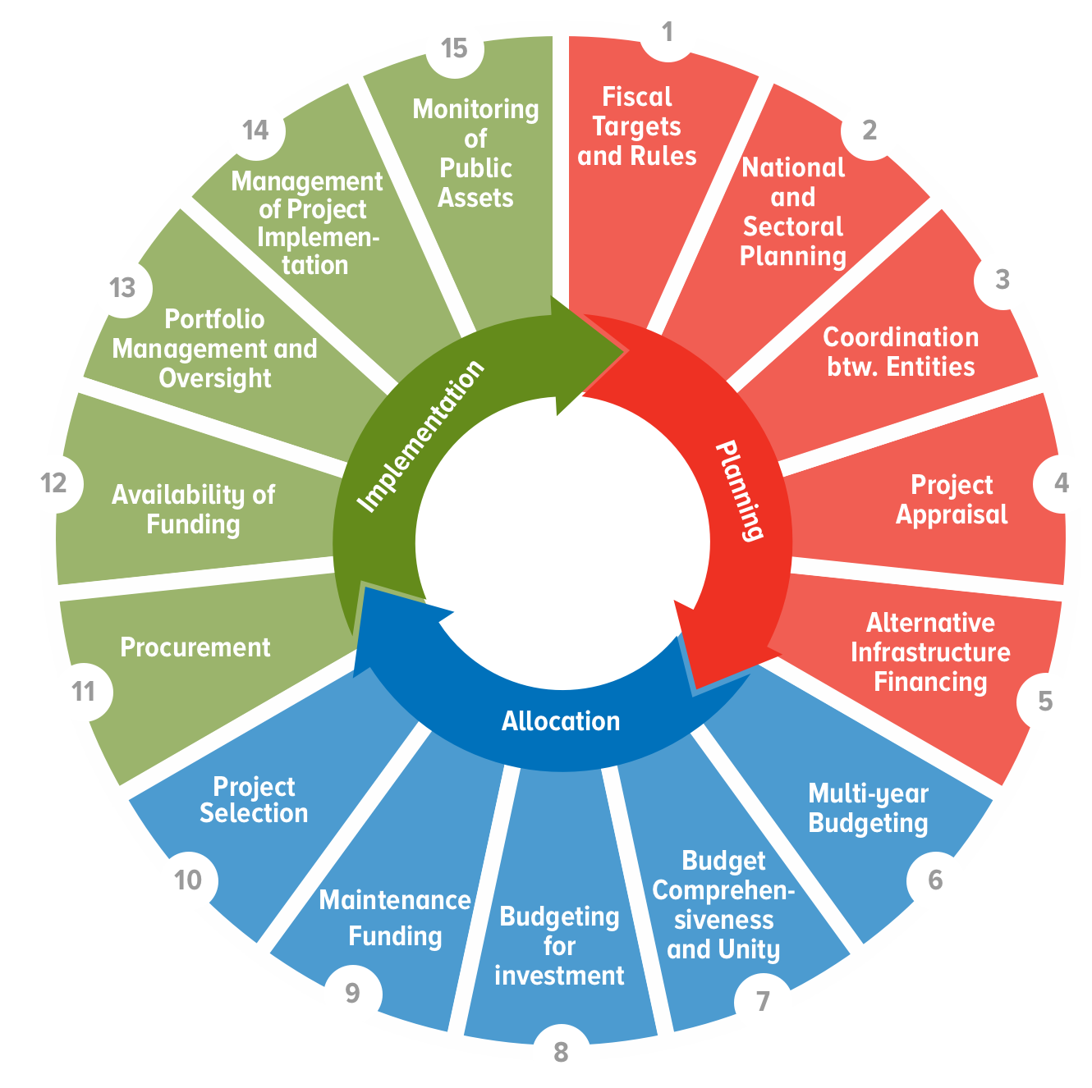
C-PIMA

Questionnaire
- Assess each question in column B against the three criteria in column C, D, and E
- Enter score and explanation in 'Assessment&Scores' tab

C-PIMA Questionnaire
 |  | Scoring Rubric
QUESTION |  | 1 = To no or a lesser extent | 2 = To some extent | 3 = To a greater extent
 |  | NOT MET | PARTIALLY MET | FULLY MET
C1. Climate-aware planning: Is public investment planned from a climate change perspective?
C.1.a | Are national and sectoral public investment strategies and plans consistent with Nationally Determined Contribution (NDC) or other overarching climate change strategy on mitigation and adaptation? | National and sectoral public investment strategies and plans are not consistent with NDC or other overarching climate change strategy. | National public investment strategies and plans are consistent with NDC or other overarching climate change strategy for some sectors. | National and sectoral public investment strategies and plans are consistent with NDC or other overarching climate change strategy for most sectors.
C.1.b | Do central government and/or sub-national government regulations on spatial and urban planning, and construction address climate-related risks and impacts on public investment? | Central government and/or sub-national government regulations on spatial and urban planning, and construction do not address climate-related risks and impacts on public investment. | Central government and/or sub-national government regulations on spatial and urban planning, or construction (through building codes) addresses climate-related risks and impacts on public investment. | Central government and/or sub-national government regulations on spatial and urban planning, and construction (through building codes) address climate-related risks and impacts on public investment.
C.1.c | Is there centralized guidance/support for government agencies on the preparation and costing of climate-aware public investment strategies? | There is no centralized guidance/support for government agencies on the preparation and costing of climate-aware public investment strategies. | There is centralized guidance/support for government agencies on the preparation of climate-aware public investment strategies. | There is centralized guidance/support for government agencies on the preparation and costing of climate-aware public investment strategies.
C2. Coordination between entities: Is there effective coordination of decision making on climate change-related public investment across the public sector?
C.2.a | Is decision making on public investment coordinated across central government from a climate-change perspective? | Decision making on public investment is not coordinated across central government from a climate-change perspective. | Decision making on public investment is coordinated across budgetary central government from a climate-change perspective. | Decision making on public investment is coordinated across all central government, including externally financed projects, public-private partnerships (PPPs) and extra-budgetary entities, from a climate-change perspective.
C.2.b | Is the planning and implementation of capital spending of subnational governments (SNGs) coordinated with the central government from a climate-change perspective? | The planning and implementation of capital spending of SNGs is not coordinated with the central government from a climate-change perspective. | The central government issues guidance on the planning and implementation of capital spending from a climate-change perspective and information on major climate-related projects of SNGs is shared with the central government and is published alongside data on central government projects. | The central government issues guidance on the planning and implementation of capital spending from a climate-change perspective, information on major climate-related projects of SNGs is shared with the central government and is published alongside data on central government projects, and there are formal discussions between central government and SNGs on the planning and implementation of climate-related investments.
C.2.c | Does the regulatory and oversight framework for public corporations ensure that their climate-related investments are consistent with national climate policies and guidelines? | The regulatory and oversight framework for public corporations does not promote consistency between their climate-related investments and national climate policies and guidelines. | The regulatory and oversight framework for public corporations promotes consistency between their climate-related investments and national climate policies and guidelines. | The regulatory and oversight framework for public corporations requires that their climate-related investments be consistent with national climate policies and guidelines.
C3. Do project appraisal and selection include climate-related analysis and criteria?
C.3.a | Does the appraisal of major infrastructure projects require climate-related analysis to be conducted according to a standard methodology with central support? | The appraisal of major infrastructure projects does not require climate-related analysis to be conducted according to a standard methodology. | The appraisal of major infrastructure projects requires climate-related analysis to be conducted according to a standard methodology. | The appraisal of major infrastructure projects requires climate-related analysis to be conducted according to a standard methodology, and a summary of appraisals is published or subject to independent external review.
C.3.b. | Does the framework for managing longer-term public investment contracts, such as PPPs, explicitly address climate-related challenges? | The referred framework does not include explicit consideration of climate change for risk allocation or contract management. | The referred framework includes explicit consideration of climate change with respect to how risks are allocated between the parties in infrastructure contracts. | The referred framework includes explicit consideration of climate change with respect to how risks are allocated between the parties in infrastructure contracts, and contract managers in government departments and agencies are mandated to address climate-related challenges.
C.3.c. | Are climate-related elements included among the criteria used by the government for the selection of infrastructure projects? | Either there are no explicit selection criteria or climate-related elements are not included among the criteria used by the government for the selection of projects for financing. | Climate-related elements are included among the criteria used by the government for the selection of all major budget-funded projects, and the criteria are published. | Climate-related elements are included among the criteria used by the government for the selection of all major projects, including externally financed projects, projects financed by extra-budgetary entities, and PPPs, and the criteria are published.
C.4 Budgeting and portfolio management: Is climate-related investment spending subject to active management and oversight?
C.4.a. | Are planned climate-related public investment expenditures, sources of financing, outputs and outcomes identified in the budget and related documents, monitored, and reported? | Planned climate-related public investment expenditures are not identified in the budget and related documents. | Some planned climate-related public investment expenditures are identified in the budget and related documents, including investment expenditures funded externally, by extra-budgetary entities, and PPPs. | Most planned climate-related public investment expenditures, sources of financing, and outputs and outcomes are identified in the budget and related documents, including investment expenditures funded externally, by extra-budgetary entities, and PPPs, and expenditure on these projects is monitored and reported.
C4.b. | Are ex-post reviews or audits conducted of the climate change mitigation and adaptation outcomes of public investments? | No ex-post reviews or audits are conducted of the climate change mitigation and adaptation outcomes of public investments. | Ex-post reviews or audits are conducted for selected major public investments of either the climate change mitigation or adaptation outcomes. | Ex-post reviews or audits are conducted and published for selected major public investments of both the climate change mitigation and adaptation outcomes.
C4.c. | Do the government’s asset management policies and practices, including the maintenance of assets, address climate-related risks? | Neither the government’s asset management policies and practices nor methodologies for estimating the maintenance needs of climate change-exposed infrastructure assets address climate-related risks. | Methodologies prepared by the government for estimating the maintenance needs of some climate change-exposed infrastructure assets address climate-related risks. | Methodologies prepared by the government for estimating the maintenance needs and associated costs of most climate change-exposed infrastructure assets address climate-related risks, and government asset registers include climate-related information of these assets.
C5. Risk management: Are fiscal risks relating to climate change and infrastructure incorporated in budgets and fiscal risk analysis and managed according to a plan?
C5.a. | Does the government publish a national disaster risk management strategy that incorporates the potential impact of climate change on public infrastructure assets and networks? | Either there is no published national disaster risk management strategy, or the strategy does not identify the key climate-related risks to public infrastructure assets and networks. | The government publishes a national disaster risk management strategy that identifies the key climate-related risks to public infrastructure assets and networks in terms of hazards, exposure, and vulnerability. | The government publishes a national disaster risk management strategy that identifies and analyses the key climate-related risks to public infrastructure assets and networks in terms of hazards, exposure and vulnerability, and includes the government’s plans to mitigate and respond to these risks.
C5.b. | Has the government put in place ex ante financing mechanisms to manage the exposure of the stock of public infrastructure to climate-related risks? | The government has not put in place any ex ante financing mechanisms to manage the exposure of the stock of public infrastructure to climate-related risks. | There is an annual contingency appropriation in the budget or other financing mechanisms that is available to meet the costs of climate-related damages to public infrastructure. | There is an annual contingency appropriation in the budget and other financing mechanisms that are available to meet the costs of climate-related damages to public infrastructure.
C5.c. | Does the government conduct and publish a fiscal risk analysis that incorporates climate-related risks to public infrastructure assets? | The government does not conduct a fiscal risk analysis that incorporates climate-related risks to public infrastructure assets. | The government conducts and publishes a fiscal risk analysis that incorporates a qualitative assessment of climate-related risks to public infrastructure assets over the medium term. | The government conducts and publishes a fiscal risk analysis that incorporates a quantitative assessment of climate-related risks to public infrastructure assets over the medium term and policies to mitigate these risks, and a qualitative assessment of the risks that may arise over the long-term.

Assessment&Scores
- Useful advice and complementary information are given in columns G, H and I
- Read the column H to complete the list of required documents
Climate PIMA Assessment

 |  | Scoring Rubric:
 |  | 1 = To no or a lesser extent
 |  | 2 = To some extent
 |  | 3 = To a greater extent
1. Indicate your score in column D
2. Provide a brief explanation in column F
3. Indicate the reference documentation
in column G
4. Indicate the responsible agency in column H
 |  | N/A = Not Applicable or Other

 |  | Questions | Score |  | Brief explanation for institutional strength score | Reference documentation | Name of Agency providing the assessment for each dimension | Key Guiding questions | Definition of key terms | Relevant documents
 |  | C1. Climate-aware planning: Is public investment planned from a climate change perspective? | #DIV/0! | #DIV/0! | xxxx
 | C1.a. | Are national and sectoral public investment strategies and plans consistent with NDC or other overarching climate change strategy on mitigation and adaptation? |  |  |  |  |  | (1) What does the country’s national determined copntribution (NDC) contain on mitigation and adaptation objectives, targets and expected outcomes? (2) Is there a national public investment strategy or Public Investment Plan that incorporates national climate objectives, targets, and the expected impacts of investments on the climate? (3) Is there a National Climate Change Strategy or National Adaptation Plan for climate change that covers implementation of national strategies with respect to public investment? (4) Are there sector or sub-sector investment strategies in key climate-related sectors such as transport and energy that incorporate climate-related public investments? | National plan: plan produced by central government, including all projects for which it is responsible regardless of location; may also include SNG and/or public corporation projects if of national importance. Sectoral plan: a subset of national plan, or sector as defined in country NDC or by a line ministry. Sub-sectors are often defined for specific sectors The key climate-related sectors will be country-specific but likely to include some/all of transport, energy, telecommunications, water, waste management, agriculture, natural resources, forestry, fishing. Strategies: set out the high-level ambition for policies and public investment, informed by current gaps and trends shaping future infrastructure needs and demands. Plan: document describing how strategic objectives are to be achieved over 3-5 years or more; may be a part of strategy document (strategic plan) or a separate document; identifies the responsible budget entity(s). | Nationally Determined Contributions under Paris Agreement, National Communication Report on Climate Change (to UNFCCC), or similar high-level documents containing official climate change targets; National plans and strategies including Public Investment Plans (PIPs); Sectoral and sub-sector plans and strategies.
 | C1.b. | Do central government and/or sub-national government regulations on spatial and urban planning, and construction address climate-related risks and impacts on public investment? |  |  |  |  |  | (1) Are there national or sub-national regulations that require sub-national governments to implement land-use regulations and/or building codes that address climate-related concerns? (2) Are there location-specific restrictions on building in areas exposed to the effects of climate change? e.g. flood plains, landslide-prone areas. | Regulation: law or rule issued by government authority intended to regulate conduct Central government: all government entities included in budgetary central government, plus units funded by extrabudgetary funds, and nonmarket non-profit institutions controlled by the central government. Sub-national governments: all state, regional, provincial, municipal, or local governments including all extrabudgetary entities at each level of government and all nonmarket non-profit institutions controlled and financed mainly by them. General government: all entities of central and sub-national government. Jurisdiction: a government at any level of government Some refers to 25 percent or more (by value). Most refers to 75 percent or more (by value). | Government regulations on land use, building codes and any other regulations that impact significantly on the level of exposure of infrastructure assets to climate change; data on public investment by central government and by disaggregated sub-national territory.
 | C1.c. | Is there centralized guidance/support for government agencies on the preparation and costing of climate-aware public investment strategies? |  |  |  |  |  | (1) Is there centralized guidance for line ministries on technical issues in climate-aware sector and project investment planning (covering both mitigation and adaptation)? (2) Is there central support for line ministries MDAs e.g. workshops, ‘help desk’ | Centralized guidance: written guidelines issued by a central agency (e.g. MOF, Ministry of Planning) to ministries, departments, and agencies (MDAs) on planning public investment from the perspective of climate change adaptation and mitigation. The scope of this question is the central government sector. Support: assistance provided to MDAs in addition to written guidelines, such as briefings, seminars, workshops, a help desk | Budget circulars or other guidelines; invitations to briefings/workshops
 |  | C2. Coordination between entities: Is there effective coordination of decision making on climate change-related public investment across the public sector? | #DIV/0! | #DIV/0! | xxxx
 | C2.a. | Is decision making on public investment coordinated across central government from a climate-change perspective? |  |  |  |  |  | (1) Is there a lead agency for coordination of climate change decision making across central government? (2) Do budget guidelines e.g. the Budget Circular cover climate-change with respect to public investment e.g. climate expenditure tagging and tracking? (3) To what extent are externally financed climate-related projects, any Climate Funds, and PPPs incorporated in central government budget processes? | Budgetary central government: central government entities whose spending, revenues, and borrowing activities are included in the central government’s annual budget. Externally financed projects: grants and loans provided by international financial institutions or bilateral development partners Extra-budgetary entities: entities set up under legislation that carry out government functions but receive funds other than through annual appropriations e.g. ear-marked taxes or fees. | Budget circulars and related instructions; guidelines on external financing; PPP regulations
 | C2.b. | Is the planning and implementation of capital spending of SNGs coordinated with the central government from a climate-change perspective? |  |  |  |  |  | (1) What information on SNG climate-related investments is shared with the central government? (2) Are there any discussions between central government and SNGs on public investment by SNGs from a climate change perspective? (3) Do national or sector/sub-sector investment strategies refer to climate-related public investments by SNGs? (4) Has the central government provided any guidance for SNGs or provided any technical support to them on public investment from a climate-change perspective? (5) Has the central government introduced any mechanisms to try to ensure consistency between public investments by sub-national governments and national climate change policy commitments, goals and targets? | Major projects: The definition of major projects varies across countries and the assessment should generally be based on the national definition, which may be based on the total project cost, complecity, and/or financing source. Published: information readily accessible to the general public in a proactive and inexpensive way e.g. printed documents, open-access government websites, social media, radio, television, newspapers, and magazines. | Public investment plans or reports covering central government or major climate-related line ministries; documents that refer to inter-governmental discussions on, or other coordination arrangements covering public investment; SNG strategies, plans and reports covering climate-related investments.
 | C2.c. | Does the regulatory and oversight framework for public corporations ensure that their climate-related investments are consistent with national climate policies and guidelines? |  |  |  |  |  | (1) Are non-financial and financial public corporations required to assess all their new investment projects or programs for impacts on climate mitigation and for their exposure to climate change? (2) Are the Strategic Plans of relevant public corporations discussed with government from a climate change perspective? (3) Does the government discuss, formally review, and approve major individual climate change-related projects or programs with implementing public corporations? | Regulatory and oversight framework: rules set by government as owner of public corporations requiring public corporations to prepare corporate strategic plans, to follow prescribed processes for infrastructure project planning, appraisal and approval, and to report on project implementation, outputs and outcomes. Also includes the general market regulatory framework as it applies to public corporations and affects their climate-relevant investments. | The laws and regulations covering public corporations; Strategic Plans and Annual Reports of the largest climate-relevant public corporations.
 |  | C3. Project appraisal and selection: Do project appraisal and selection include climate-related analysis and criteria? | #DIV/0! | #DIV/0! | xxxx
 | C3.a. | Does the appraisal of major infrastructure projects require climate-related analysis to be conducted according to a standard methodology with central support? |  |  |  |  |  | (1) Is there a standard methodology for project appraisal that contains technical details on climate change adaptation, and on climate change mitigation? (2) Are the project appraisals of major climate-related projects published? | Major project: The definition of major projects varies across countries and the assessment should generally be based on the national definition, which may be based on the total project cost, complecity, and/or financing source. | Project appraisal guidelines, cost-benefit analysis manual, or similar documents; published project appraisals or appraisal summaries of climate-related projects.
 | C3.b. | Does the framework for managing longer-term public investment contracts, such as PPPs, explicitly address climate-related challenges? |  |  |  |  |  | Is the exposure of PPP assets to future climate change an explicit element in the design of PPPs - e.g. in requirements for risk allocation - and in their appraisal? | PPP framework: the laws and regulations governing Public Private Partnerships | PPP Law and/or regulations, and related guidance material
 | C3.c. | Are climate-related elements included among the criteria used by the government for the selection of infrastructure projects? |  |  |  |  |  | If the government has formal project selection criteria for public investment projects, do they explicitly refer to climate change? | Major project: The definition of major projects varies across countries and the assessment should generally be based on the national definition, which may be based on the total project cost, complecity, and/or financing source. | Project selection criteria in official documents such as a planning ministry circular, a guide on cost-benefit analysis, a budget circular
 |  | C4. Portfolio management and oversight: Is climate-related investment spending subject to active management and oversight? | #DIV/0! | #DIV/0! | xxxx
 | C4.a. | Are planned climate-related public investment expenditures, sources of financing, outputs and outcomes identified in the budget and related documents, monitored, and reported? |  |  |  |  |  | (1) Does the government have an operational definition of what constitutes climate-related public investment spending? (2) If so, how is it applied across the budget cycle? (3) Do the annual budget and related documents present information on climate-related public investment spending and its financing? Does the information include information on outputs and outcomes? | Some: 25 per cent or more (by value) Most: 75 per cent or more (by value) Sources of financing: types of financing with broadly similar conditions e.g. external financing, PPPs Outputs: goods and services produced by government agencies e.g. a completed highway Outcomes: the effects on social, economic, or environmental indicators arising from the delivery or completion of outputs Scope of this dimension: all of central government | Budget and related documents
 | C4.b. | Are ex-post reviews or audits conducted of the climate change mitigation and adaptation outcomes of public investments? |  |  |  |  |  | Is there a systematic approach to reviewing both the actual environmental impacts of public investments or projects (e.g. greenhouse gas emissions) and the impacts of climate change on projects (e.g. disaster damages)? | Some: 25 per cent or more; Most: 75 per cent or more; Major project: see xx Published: information readily accessible to the general public in a proactive and inexpensive way e.g. printed documents, open-access government websites, social media, radio, television, newspapers, and magazines. | Project reviews and evaluation reports; audit reports
 | C4.c. | Do the government’s asset management policies and practices, including the maintenance of assets, address climate-related risks? |  |  |  |  |  | (1) Do the methodologies used to estimate routine maintenance needs and costs for climate change-exposed infrastructure assets incorporate explicit consideration of the exposure of assets to increased maintenance needs due to climate change? (2) Do asset registers (or other records) contain information either on the exposure of public infrastructure assets to climate change or to actual damage to assets due to the impacts of climate change? | Some: 25 percent or more (by value). Most: 75 per cent or more (by value). Asset register: a record of the fixed assets a government entity owns that records details such as date of purchase, cost, specification, physical condition, depreciation. | Relevant sector ministry documents. MOF guidelines or circulars on budgeting for maintenance
 |  | C5. Risk management: Are fiscal risks relating to climate change and infrastructure incorporated in budgets and fiscal risk analysis and managed according to a plan? | #DIV/0! | #DIV/0! | xxxx
 | C5.a. | Does the government publish a national disaster risk management strategy that incorporates the potential impact of climate change on public infrastructure assets and networks? |  |  |  |  |  | (1) What does the National Disaster Risk Management Strategy cover with respect to public investment? (2) Is government-provided insurance or post-disaster relief encouraging new building or rebuilding of assets in high risk areas? (3) Are there procedures to expedite public investment procurement in response to climate-induced disasters? | Hazard: the type of climate-related disaster that could damage an infrastructure asset e.g. typhoon, landslip, torrential rain Exposure: location-specific assessment of the potential for disasters to impact on an infrastructure asset. Vulnerability: how vulnerable or resilient the asset is to damage or service impairment from the hazards to which it is exposed. | National Disaster Risk Management Strategy or similar document
 | C5.b. | Has the government put in place ex ante financing mechanisms to manage the exposure of the stock of public infrastructure to climate-related risks? |  |  |  |  |  | (1) Does the government's annual budget include an appropriation that is available to meet the costs of climate-related damage to infrastructure? (2) What additional specific ex ante financing mechanisms are in place, such as a multi-year Disaster Fund, contingent credit (such as Catastrophe Deferred Drawdown Options), or risk transfer instruments such as indemnity insurance, parametric insurance, or disaster-contingent bonds? (3) Is there a national disaster risk financing strategy? | Risk transfer mechanism: an instrument to transfer the financial risk from damage to infrastructure from the government to a third party e.g. insurance (indemnity or parametric insurance), disaster-contingent bonds | Budget documents, MOF circulars relating to contingency appropriations or Disaster Funds and their use
 | C5.c. | Does the government conduct and publish a fiscal risk analysis that incorporates climate-related risks to public infrastructure assets? |  |  |  |  |  | (1) To what extent does the MOF include in its assessments of fiscal risks the possible impacts of climate change on public investment spending from mitigation costs, adaptation costs, and transition risks. (2) Does the advice to government on medium term fiscal strategy and/or annual budget strategy refer to climate-related risks to public investment? (3) Does the government conduct any analysis of fiscal sustainability beyond the medium term? (4) What information on climate-related fiscal risks is published? | Medium term: a period usually covering the current year plus 2-3 additional years Long-term: anything beyond the medium term, although in some contexts is taken to mean 10-30 years plus | Fiscal Strategy Report, Fiscal Risk Statement, Longer term fiscal statement; Strategic plans of main climate-exposed sector ministries

